GIRLS
Image | Style | Gender | Label | Color | Avail Now | MSPRS | PPK
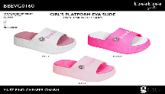 | BBEVG0160 | GIRLS |  | BLUSH | 2,228 | $28 | 1-1-2-2-2 | 8 pr PPK
 | BBEVG0160 | GIRLS |  | FU | 2,020 | $28 | 1-1-2-2-2 | 8 pr PPK
 | BBEVG0160 | GIRLS |  | WHT | 2,560 | $28 | 1-1-2-2-2 | 8 pr PPK
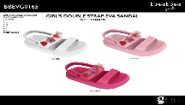 | BBEVG0165 | GIRLS |  | WHT | 2,424 | $24 | 1-1-1-1-1-1 | 6 pr PPK
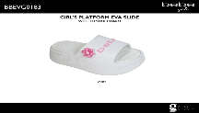 | BBEVG0183 | GIRLS |  | FU | 2,336 | $28
 | BBEVG0183 | GIRLS |  | LILAC | 1,744 | $28
 | BBEVG0183 | GIRLS |  | WHT | 2,368 | $28
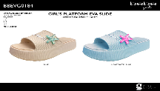 | BBEVG0184 | GIRLS |  | LTPBL | 896 | 28 | 1-1-2-2-2 | 8 pr PPK
 | BBEVG0184 | GIRLS |  | SAND | 1,664 | 28 | 1-1-2-2-2 | 8 pr PPK
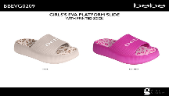 | BBEVG0209 | GIRLS |  | BLUSH | 1,264 | $28 | 1-1-2-2-2 | 8 pr PPK
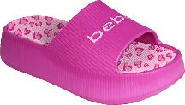 | BBEVG0209 | GIRLS |  | FU | 1,248 | $28 | 1-1-2-2-2 | 8 pr PPK
 | BBEVG0209 | GIRLS |  | LILAC | 688 | $28 | 1-1-2-2-2 | 8 pr PPK
 | BBEVG0209 | GIRLS |  | LTPBL | 864 | $28 | 1-1-2-2-2 | 8 pr PPK
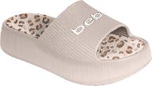 | BBEVG0209 | GIRLS |  | SAND | 656 | $28 | 1-1-2-2-2 | 8 pr PPK
 | BBEVG0209 | GIRLS |  | WHT | 2,096 | $28 | 1-1-2-2-2 | 8 pr PPK
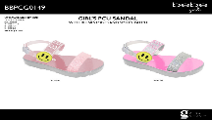 | BBPCG0149 | GIRLS |  | BLUSH | 1,488 | $32 | 2-2-2 | 6 pr. PPK
 | BBPCG0149 | GIRLS |  | WHT | 1,092 | $32 | 2-2-2 | 6 pr. PPK
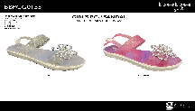 | BBPCG0153 | GIRLS |  | FU | 552 | $32 | 2-2-2 | 6 pr. PPK
 | BBPCG0153 | GIRLS |  | SILVE | 1,320 | $32 | 2-2-2 | 6 pr. PPK
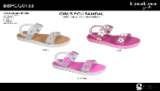 | BBPCG0155 | GIRLS |  | FU | 948 | $28 | 2-2-2 | 6 pr. PPK
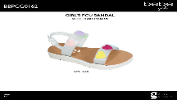 | BBPCG0162 | GIRLS |  | PASMU | 2,496 | $32 | 2-2-2 | 6 pr. PPK
 | BBPCG0162 | GIRLS |  | PNK | 3,444 | $32 | 2-2-2 | 6 pr. PPK
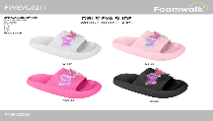 | FWEVG0211 | GIRLS |  | ASSRT | 1,560 | $24 | 2-2-2 | 6 pr. PPK
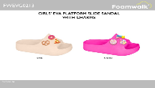 | FWEVG0213 | GIRLS |  | BLUSH | 1,800 | $24 | 2-2-2 | 6 pr. PPK
 | FWEVG0213 | GIRLS |  | FU | 1,332 | $24 | 2-2-2 | 6 pr. PPK
 | FWEVG0213 | GIRLS |  | WHT | 1,920 | $24 | 2-2-2 | 6 pr. PPK
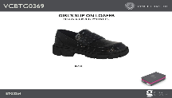 | VCBTG0369 | GIRLS |  | BLACK | 585 | $40 | 2-2-2 | 6 pr. PPK

LADIES
Image | Style | Gender | Color | Avail Now | MSRPS | PPK
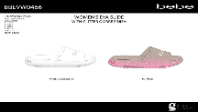 | BBEVW0466 | LADIES | TANMU | 2796 | $36 | 2-3-3-3-1
 | BBEVW0466 | LADIES | WHT | 3576 | $36 | 2-3-3-3-1
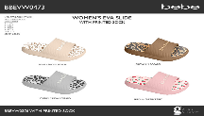 | BBEVW0473 | LADIES | BLUMU | 4992 | $36 | 2-3-3-3-1
 | BBEVW0473 | LADIES | BRWMU | 3192 | $36 | 2-3-3-3-1
 | BBEVW0473 | LADIES | IVRY | 2388 | $36 | 2-3-3-3-1
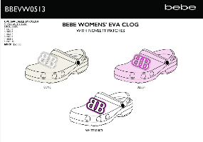 | BBEVW0513 | LADIES | BLUSH | 2280 | $28
 | BBEVW0513 | LADIES | BONE | 3600 | $28
 | BBEVW0513 | LADIES | WTMUL | 1476 | $28 | 1-1-1-1-1-1
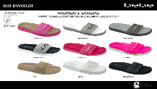 | BBFBW0028 | LADIES | BKGRY | 4164 | $42 | 2-3-3-2-1-1
 | BBFBW0028 | LADIES | FU | 2664 | $42 | 2-3-3-2-1-1
 | BBFBW0028 | LADIES | FUMLT | 2676 | $42 | 2-3-3-2-1-1
 | BBFBW0028 | LADIES | PNKML | 3552 | $42 | 2-3-3-2-1-1
 | BBFBW0028 | LADIES | TAN | 1476 | $42 | 2-3-3-2-1-1
 | BBFBW0028 | LADIES | WHT | 2436 | $42 | 2-3-3-2-1-1
 | BBFBW0028 | LADIES | WHTBK | 6312 | $42 | 2-3-3-2-1-1
 | BBFBW0028 | LADIES | WHTGY | 1164 | $42 | 2-3-3-2-1-1
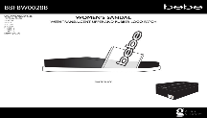 | BBFBW0028B | LADIES | WHTBK | 600 | $42 | 2-3-3-2-1-1
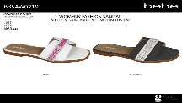 | BBSAW0219 | LADIES | BKWT | 1128 | $42 | 2-3-3-2-1-1
 | BBSAW0219 | LADIES | WHT | 936 | $42 | 2-3-3-2-1-1
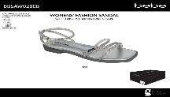 | BBSAW0280B | LADIES | SILVE | 1632 | $42 | 2-3-3-2-1-1
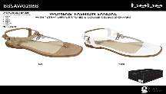 | BBSAW0286B | LADIES | TAN | 1032 | $42 | 2-3-3-2-1-1
 | BBSAW0286B | LADIES | WHT | 2148 | $42 | 2-3-3-2-1-1
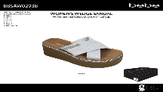 | BBSAW0293B | LADIES | SILVE | 1476 | $42 | 2-3-3-2-1-1
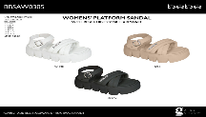 | BBSAW0305 | LADIES | BLACK | 2004 | $40 | 2-3-3-2-1-1
 | BBSAW0305 | LADIES | TAN | 1500 | $40 | 2-3-3-2-1-1
 | BBSAW0305 | LADIES | WHT | 1500 | $40 | 2-3-3-2-1-1
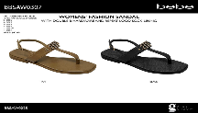 | BBSAW0307 | LADIES | BLACK | 1176 | $42 | 2-3-3-2-1-1
 | BBSAW0307 | LADIES | TAN | 1188 | $42 | 2-3-3-2-1-1
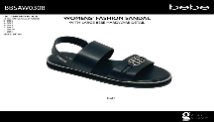 | BBSAW0308 | LADIES | BLACK | 1416 | $42 | 2-3-3-2-1-1
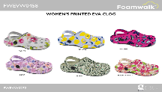 | FWEVW0458 | LADIES | BL | 1632 | $20 | 1-1-1-1 | 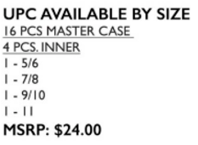
 | FWEVW0458 | LADIES | CORL | 1404 | $20 | 1-1-1-1
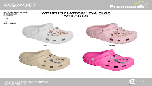 | FWEVW0477 | LADIES | ASSRT | 972 | $24 | 1-1-1-1

